SHELL
NITRO MENS PANT |  |  |  |  |  |  | SAMPLE SIZE LARGE / XS-XXL
SEASON: |  | WINTER 2018/2019 |  |  | CONTRACTOR: |  | SOLUNA
STYLE NUMBER: |  | N18-201 |  |  | DATE CREATED: |  | 2017-03-24
STYLE NAME: |  | KITAMI BIB 3L |  |  | DATE REVISED: |  | 2017-03-29
WATERPROOF/BREATHABILITY: |  | 20K/25K |  |  | BLOCK: |  | Based on N17-201 YAMANOUCHI BIB fit
SEAM SEALING: |  | FULLY SEAM SEALED |  |  | FIT: |  | REGULAR FIT
INSULATION: |  | NOT INSULATED |  |  | TARGET FOB:
 |  | 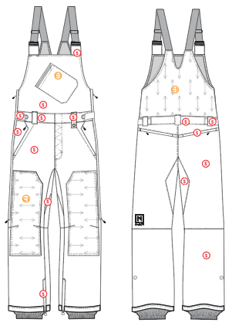
 |  |  |  | COLORWAYS
SHELL FABRIC | SUPPLIER/ REFERENCE NUMBER | LOCATION | CONTENT | COLORWAY 1 | COLORWAY 2 | COLORWAY 3 | COLORWAY 4 | COLORWAY 5
 | Hyperbola / SC670-6 3L micro-rip, w/printed tricot | S |  | COLOR
 | Hyperbola / D3357-2 *Stretch panel | C1 |  | COLOR

INSULATION | SUPPLIER/ REFERENCE NUMBER | LOCATION | CONTENT | COLORWAY 1 | COLORWAY 2 | COLORWAY 3 | COLORWAY 4 | COLORWAY 5 | 0
NON INSULATED

SEAM TAPE | SUPPLIER/ REFERENCE NUMBER | LOCATION | CONTENT | COLORWAY 1 | COLORWAY 2 | COLORWAY 3 | COLORWAY 4 | COLORWAY 5 | 0
FULLY SEAM SEALED | TSGS | FULLY SEAM SEALED |  | FULLY SEAM SEALED

LINING | SUPPLIER/ REFERENCE NUMBER | LOCATION | CONTENT | COLORWAY 1 | COLORWAY 2 | COLORWAY 3 | COLORWAY 4 | COLORWAY 5 | 0
NOTE THIS IS A 3L GARMENT SO THE MAIN BODY SHOULD NOT BE LINED |  | MAIN BODY
SOLID COATED 210T | SUPPLIER / REF CODE | GAITER |  | COLOR

MEASUREMENTS
NITRO MENS PANT
SEASON: |  | WINTER 2018/2019 |  |  |  |  |  |  | CONTRACTOR: |  |  |  | SOLUNA
STYLE NUMBER: |  | N18-201 |  |  |  |  |  |  | DATE CREATED: |  |  |  | 2017-03-24
STYLE NAME: |  | KITAMI BIB 3L |  |  |  |  |  |  | DATE REVISED:
WATERPROOF/BREATHABILITY: |  | 20K/25K |  |  |  |  |  |  | BLOCK: |  |  |  | Based on N17-201 YAMANOUCHI BIB fit
SEAM SEALING: |  | FULLY SEAM SEALED |  |  |  |  |  |  | FIT: |  |  |  | REGULAR FIT
INSULATION: |  | NOT INSULATED |  |  |  |  |  |  | TARGET FOB: |  |  |  | $0.00
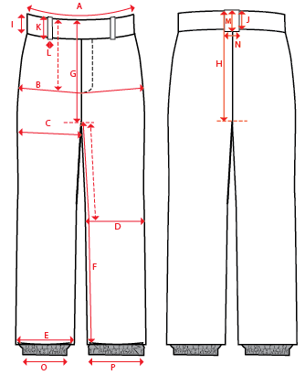
 |  |  |  |  | 1ST PROTO |  |  | 2ND PROTO |  |  | 3RD PROTO |  |  | S/SAMPLE |  |  | PP SAMPLE |  | FINAL
 |  |  |  | DATE: |  |  | DATE: |  |  | DATE: |  |  | DATE: |  |  | DATE:
 |  |  | TOL +/- | INITIAL MEASMNT | SAMPLE MEASURES | REVISE TO | REQUESTED | SAMPLE MEASURES | REVISE TO | REQUESTED | SAMPLE MEASURES | REVISE TO | REQUESTED | SAMPLE MEASURES | REVISE TO | REQUESTED | SAMPLE MEASURES | REVISE TO | APPROVED MEASMNTS
A | WAIST WIDTH |  | 0.25 | 20.5
B | HIP -7" DOWN FROM TOP EDGE OF WAIST TOP EDGE |  | 0.25 | 22.75
C | THIGH - 1" BELOW CROTCH |  | 0.25 | 14
D | KNEE -XS-13", S - 13.5", M-14", L-14.5" DOWN FROM CROTCH |  | 0.25 | 10.5
E | HEM OPENING |  | 0.25 | 11
F | INSEAM - FROM CENTER OF CROTCH |  | 0.25 | 33.5
G | FRONT RISE to crotch seam - INCL WAIST BAND |  | 0.125 | 13.5
H | BACK RISE to crotch seam - INCL WAIST BAND |  | 0.125 | 17.5
I | CF WAIST BAND HEIGHT |  | 0.125 | 2
J | CB WAIST BAND HEIGHT |  | 0.125 | 2
K | BELT LOOP LENGTH |  | 0.125 | 2.25
 | LEFT BELT LOOP LENGTH |  | 0.125 | 3
L | BELT LOOP WIDTH |  | 0.125 | 1
M | CB BELT LOOP LENGTH |  | 0.125 | 2.25
N | CB BELT LOOP WIDTH |  | 0.125 | 1.5
O | STORM CUFF RELAXED |  | 0.25 | 7.5
P | STORM CUFF STRETCHED |  | 0.25 | 12.5
 | TOTAL STRAP LENGTH (WITH 5.5" OVERLAP, NOT EXTENDED, INCLUDES LOOP) |  | 0.125 | 14.5
 | ADDITIONAL STRAP OVERLAP |  | 0.125 | 5.5
 | STRAP WIDTH (SINGLE) (38MM?/40MM?) |  | 0.125
 | BIB HEIGHT AT CF (FROM TOP EDGE OF WAIST SEAM) |  | 0.125 | 11.75
 | FRONT BIB WIDTH (ALONG TOP EDGE) |  | 0.125 | 10
 | BIB HEIGHT AT CB (FROM WAIST SEAM) |  | 0.125 | 9.5
 | BACK BIB WIDTH (1" DOWN FROM BACK NECK) |  | 0.125 | 8.25
ZIPPERS | FLY |  | 0.125 | 7
 | HAND POCKETS |  | 0.125 | 7
 | BACK POCKETS HORIZONTAL |  | 0.125 | 6
 | CHEST POCKET |  | 0.125 | 6.5
 | SIDE ENTRY |  | 0.125
 | HEM GUSSET |  | 0.125 | 8

COMMENTS
NITRO MENS PANT
SEASON: |  | WINTER 2018/2019 | CONTRACTOR: | SOLUNA
STYLE NUMBER: |  | N18-201 | DATE CREATED: | 2017-03-24
STYLE NAME: |  | KITAMI BIB 3L | DATE REVISED: | 2017-03-29
WATERPROOF/BREATHABILITY: |  | 20K/25K | BLOCK: | Based on N17-201 YAMANOUCHI BIB fit
SEAM SEALING: |  | FULLY SEAM SEALED | FIT: | REGULAR FIT
INSULATION: |  | NOT INSULATED | TARGET FOB: | $0.00

STATUS: |  | DATE SENT:
 |  | NOT APPROVED FOR S/SAMPLES; SUBMIT A 2nd PROTO SAMPLE (subject to revisions)
 |  | NOT APPROVED FOR S/SAMPLES; SUBMIT A 3rd PROTO SAMPLE (subject to revisions)
 |  | NOT APPROVED FOR S/SAMPLES; SUBMIT A MOCK UP (subject to revisions)
 |  | APPROVED FOR S/SAMPLES (subject to revisions)
 |  | NOT APPROVED FOR PRODUCTION; SUBMIT A P/P SAMPLE (subject to revisions)
 |  | APPROVED FOR PRODUCTION (subject to revisions)

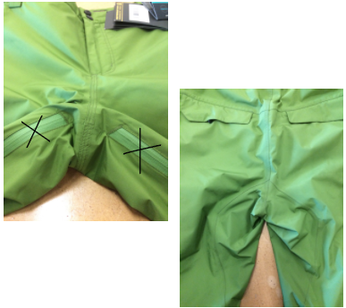
 | note to Allison & Laurie: Double check if width of suspender elastic is 40mm (not 38mm) and check the widths of the buckle & loop to make sure the correct widths are being speced to match the suspender elastic
2017-03-24 | >NOTE THAT FOR THIS STYLE THE FRONT RISE IS MEASURED TO THE CROTCH SEAM (INCLUDING WAISTBAND)
 | >BACK RISE IS MEASURED TO THE CROTCH SEAM (INCLUDING WAISTBAND)

 | >THE CONSTRUCTION OF THE BACK SEAT PANEL AND CROTCH IS SIMILAR TO ALTAI (SHOWN IN THIS PHOTO)
 | BUT THE SHAPING OF THE PANEL SEAMS ARE DIFFERENT FOR THIS STYLE.
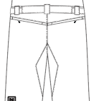

 | THE BACK SEAT PANEL WRAPS TO THE FRONT TO MEET AT THE CROTCH SEAM.

 | >SIDE ENTRY ZIPPER LENGTH: ZIPPER ENDS 1" ABOVE KNEE ARTICULATION DARTS. SEE PDF DRAWING.

2017-03-27 | >ALL ZIPPER UPDATE TO USE YKK
 | >HEM GUSSET ZIPPER LENGTH REVISED TO 8".
 | >NO LINING IN THE BODY OF THIS STYLE PLEASE
 | >BONDING FILM ADDED TO HAND POCKET WELTS AND HEM ZIPPER WELTS

